Decision Logic Isolated
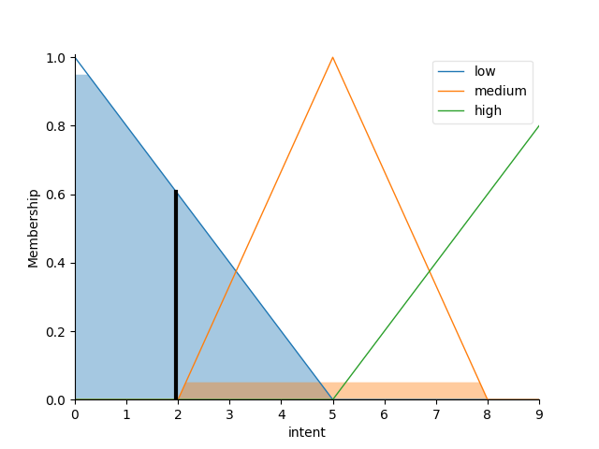
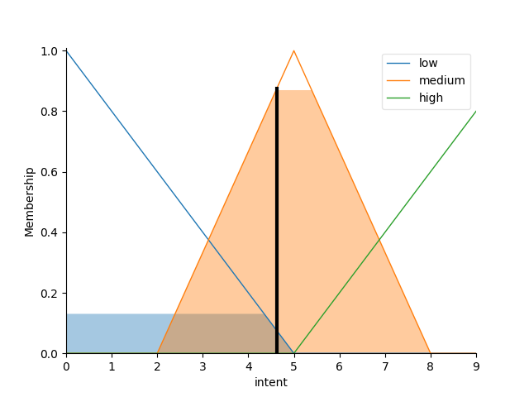
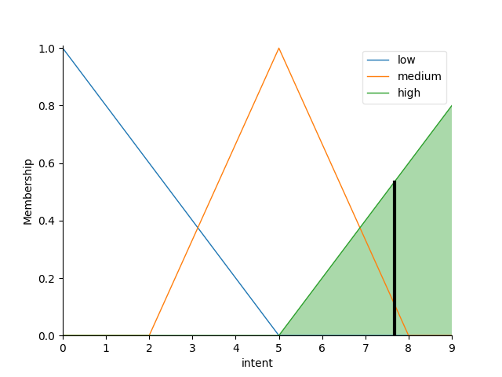
Rule | Speed | Distance | Intent | Classification | Decision
1 | 5 | 20 | 1.965 | Low | Negative
2 | 30 | 400 | 4.628 | Medium | Inconclusive
3 | 70 | 750 | 7.667 | High | Positive

Timed travel between door ways
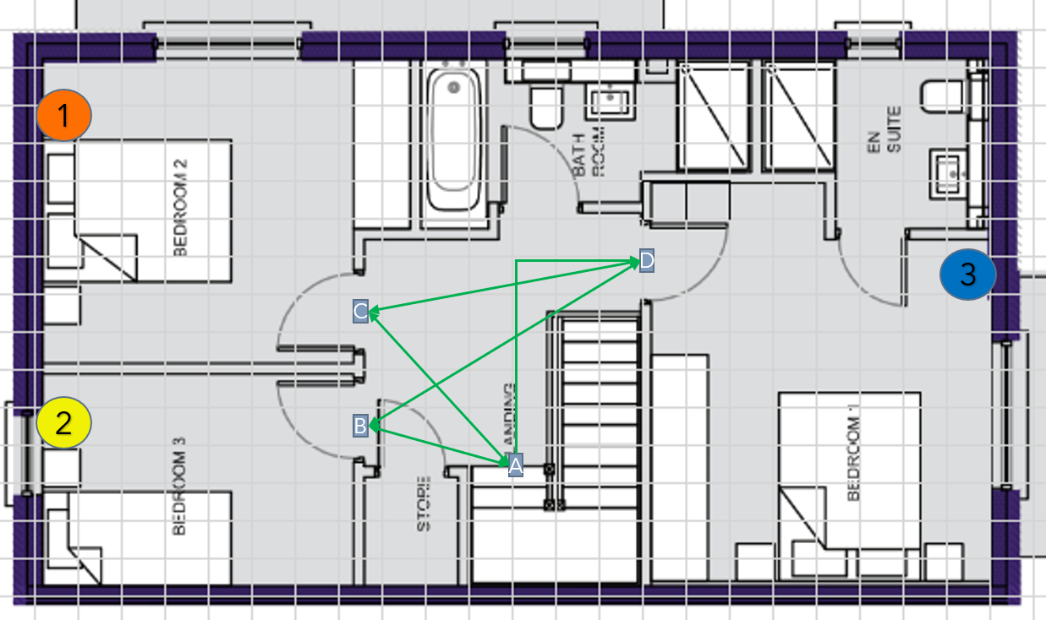
Route | Time | Distance
A - B | 1.66s | 170cm
A - C | 1.97s | 240cm
A - D | 2.71s | 323cm
B - D | 3.02s | 312cm
C - D | 2.51s | 351cm

